Figure 5d
Distance from the nucleus mRNAs coloc (um) | Distance from the nucleus triple coloc (um) | Distance from nucleus intervals (um) | freq triple coloc | freq SCN5A - hERG1a mRNAs coloc | Double coloc removed zeros | Ratio
0.81419785577 | 2.1587979211 | 0 | 0 | 0 | 1 | 0
1.7053480345 | 2.5270422248 | 1 | 0 | 1 | 1 | 0
1.9055410692 | 3.0080945823 | 2 | 0 | 2 | 2 | 0
2.1629893863 | 3.2804456826 | 3 | 2 | 2 | 2 | 1
2.2952485035 | 3.7100077815 | 4 | 8 | 13 | 13 | 0.61538461538
3.2559030183 | 3.7292670273 | 5 | 9 | 27 | 27 | 0.33333333333
3.3583616409 | 3.7543819392 | 6 | 8 | 24 | 24 | 0.33333333333
3.371747676 | 3.8572762682 | 7 | 14 | 35 | 35 | 0.4
3.4321302375 | 3.894725023 | 8 | 12 | 17 | 17 | 0.70588235294
3.4859449928 | 3.9717265644 | 9 | 11 | 17 | 17 | 0.64705882353
3.6428629834 | 4.0540887288 | 10 | 3 | 14 | 14 | 0.21428571429
3.7785273269 | 4.0703940276 | 11 | 6 | 6 | 6 | 1
3.826069759 | 4.219729401 | 12 | 1 | 12 | 12 | 0.083333333333
3.8276282999 | 4.5720673474 | 13 | 1 | 9 | 9 | 0.11111111111
3.8430036691 | 4.5792937805 | 14 | 5 | 11 | 11 | 0.45454545455
3.8808688413 | 4.5893226582 | 15 | 4 | 10 | 10 | 0.4
3.8952247575 | 4.6781639104 | 16 | 1 | 1 | 1 | 1
3.8984232428 | 4.7499626974 | 17 | 7 | 7 | 7 | 1
4.0212469781 | 4.9091372774 | 18 | 3 | 4 | 4 | 0.75
4.0538735719 | 5.0306852923 | 19 | 2 | 7 | 7 | 0.28571428571
4.100310905 | 5.1135269303 | 20 | 4 | 5 | 5 | 0.8
4.1227600543 | 5.1447796046 | 21 | 5 | 9 | 9 | 0.55555555556
4.2276478567 | 5.6074741001 | 22 | 0 | 1 | 1 | 0
4.2582857723 | 5.6390291426 | 23 | 2 | 6 | 6 | 0.33333333333
4.381964564 | 5.7453741671 | 24 | 1 | 8 | 8 | 0.125
4.4249054328 | 5.9380632521 | 25 | 0 | 0 | 1 | 0
4.4337379385 | 5.9969972639 | 26 | 3 | 5 | 5 | 0.6
4.4364478716 | 6.2188105349 | 27 | 1 | 3 | 3 | 0.33333333333
4.4429688674 | 6.2602599266 | 28 | 0 | 1 | 1 | 0
4.4791759956 | 6.3253831883 | 29 | 0 | 2 | 2 | 0
4.4952147868 | 6.4131235286 | 30 | 1 | 1 | 1 | 1
4.5037914527 | 6.4368963519 | 31 | 0 | 1 | 1 | 0
4.5571278657 | 6.589860348 | 32 | 1 | 2 | 2 | 0.5
4.5597608444 | 6.5997454744 | 33 | 0 | 0 | 1 | 0
4.5618800367 | 6.6947572688 | 34 | 0 | 0 | 1 | 0
4.6367209238 | 6.7406574548 | 35 | 0 | 1 | 1 | 0
4.6453573382 | 6.7523719708 | 36 | 0 | 1 | 1 | 0
4.6757358638 | 6.8128848565 | 37 | 0 | 0 | 1 | 0
4.6768360702 | 6.8360832279 | 38 | 0 | 0 | 1 | 0
4.682817036 | 6.8451726818 | 39 | 0 | 0 | 1 | 0
4.8243771239 | 6.9297749593 | 40 | 0 | 0 | 1 | 0
4.8353803527 | 7.0579599481 | 41 | 0 | 0 | 1 | 0
4.8546683478 | 7.0746201543 | 42 | 0 | 0 | 1 | 0
4.8738652878 | 7.1096560309 | 43 | 0 | 1 | 1 | 0
4.9026594721 | 7.1830760395 |  |  |  |  | 0.30866374045
5.0314945078 | 7.2058703928
5.0875884721 | 7.2269662737 |  | 115 | 266
5.105008436 | 7.3223367651
5.1852586126 | 7.4359087645
5.2810855161 | 7.4785938086
5.3401884162 | 7.6388490576
5.3576947089 | 7.7759565161
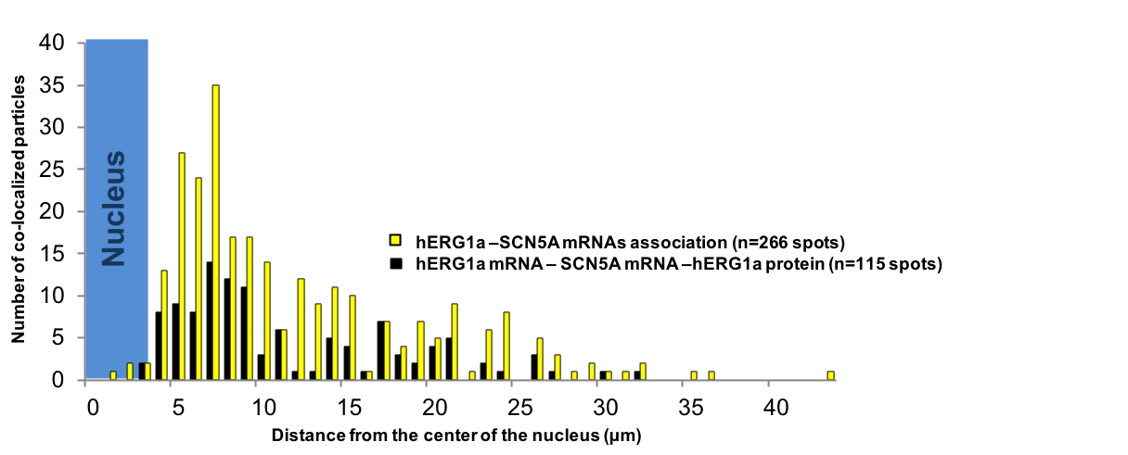
5.3577193058 | 7.9679135344
5.3736789018 | 8.0487321983
5.3986695398 | 8.284712164
5.4789512086 | 8.2883827035
5.5104225213 | 8.3334116315
5.5710760459 | 8.3560064543
5.5878772153 | 8.3842509612
5.6374021549 | 8.629171711
5.6757840495 | 8.6521583054
5.69872856 | 8.8062054531
5.7266770078 | 8.8733502378
5.7658489123 | 8.9710929242
5.8221575615 | 9.0100254157
5.834179134 | 9.4561967052
5.8652687986 | 9.635742132
5.9003511684 | 10.284718281
5.9707734579 | 10.443534526
6.0738820149 | 10.525454719
6.1024419243 | 10.542460529
6.155348283 | 10.629351128
6.1615251935 | 10.773570965
6.1741860284 | 11.144131981
6.2402050342 | 12.169921597
6.2722653378 | 13.163799061
6.2756883462 | 13.224853814
6.2860730003 | 13.234955813
6.2919149772 | 13.821637488
6.2921917962 | 13.969224662
6.3167095865 | 14.743118004
6.3258473251 | 14.76811675
6.3287429707 | 14.921112872
6.4334338175 | 14.984524589
6.4528463564 | 15.963041886
6.4668957737 | 16.022752159
6.4907998891 | 16.130672224
6.5268423352 | 16.151396277
6.5439205007 | 16.349656342
6.5952170701 | 16.530523842
6.6127809887 | 16.584195542
6.6322544571 | 16.986850984
6.6432557273 | 17.05045407
6.6481429094 | 17.406019342
6.652921223 | 17.494235998
6.7478745847 | 18.099712862
6.7817857981 | 18.474999057
6.8323003627 | 19.368548421
6.8364471332 | 19.635592966
6.8410666335 | 19.736377971
6.8574253517 | 19.844189321
6.9013602497 | 20.653962292
6.9243963954 | 20.888817422
6.9582964582 | 20.948387657
7.0409603471 | 20.956895136
7.1224825217 | 20.997721818
7.1262687906 | 22.326110018
7.1361058214 | 22.424592375
7.284316808 | 23.454448224
7.2986451878 | 25.226390803
7.3800272949 | 25.542638868
7.5034370441 | 25.608400937
7.5450562357 | 26.642269418
7.581333875 | 29.322691989
7.593003759 | 31.201352467
7.7010803458
7.7273046602
7.7340275665
7.7472353403
7.7867341258
7.8984530217
8.0109656774
8.0477952339
8.1645080911
8.1903882159
8.1918496757
8.2333429306
8.3198028919
8.3372773652
8.3721358402
8.3969859722
8.4987943239
8.7412611447
8.7814085517
8.7819802575
8.7978429379
8.8549156393
8.8892822949
9.0146428212
9.0710964318
9.1929637441
9.1973004116
9.2120415101
9.2358687994
9.2608337482
9.2742853094
9.3423903375
9.4026355476
9.4107472734
9.5887082109
9.6974297313
9.6993296436
10.03373835
10.458934403
10.531203502
10.574027364
10.639109263
10.828721853
11.057318684
11.133796563
11.133860606
11.14018171
11.274680458
11.285811819
11.319472748
11.517466184
11.520488656
11.574741655
11.749542005
11.942276647
12.068063869
12.139564633
12.568182869
12.734041307
12.830618136
12.831177093
12.873182141
12.893120981
12.961949736
13.177278053
13.25980746
13.301560976
13.353343751
13.534942481
13.634465766
13.752097126
13.808267548
13.816834812
13.868892204
13.965886358
14.25364028
14.403405525
14.426412567
14.434071586
14.559095531
14.560772551
14.637554445
14.758644228
14.884711787
14.936925477
15.140291997
16.074079213
16.082149822
16.089680351
16.194222606
16.221353501
16.446194043
16.500887051
17.299019207
17.365549447
17.385398429
17.469391049
18.070120337
18.083030578
18.154923311
18.432812934
18.500033472
18.50076827
18.915856739
19.377459952
19.383529474
19.389609738
19.578983083
19.699837782
20.093177237
20.256434929
20.466896008
20.477884896
20.652113024
20.870391249
20.935034985
20.970636092
20.986872727
21.797509669
22.024638758
22.144482637
22.299835631
22.302412463
22.673893026
22.709389892
23.043868932
23.056324402
23.090002165
23.174940656
23.27198597
23.312688467
23.497014777
23.846842492
25.10826748
25.495040283
25.542971374
25.627727514
25.79250202
26.14408677
26.149432273
26.627857841
27.179875835
28.268403207
28.813319418
29.315535329
30.91812204
31.253694245
31.43180828
34.015763347
35.600110871
42.042481282

